Sheet1
MNIST Evaluation Report
 | Batch_size | Activation function | # of layers | Layer size | Epoch | Weight initialization | Optimizer | Learning rate | Weight decay | 100 epoch training time | Early stopping epoch | Accuracy
Setting #1 | 200 | ReLU | 4 | 200 | 100 | He | Adadelta | 0.1 | X | 8.20 minutes | 10 | 92.73
Setting #2 | 200 | ReLU | 4 | 200 | 100 | He | Adam | 0.0001 | X | 7.99 minutes | 10 | 91.8
Setting #3 | 200 | ReLU | 4 | 200 | 100 | He | Adadelta | 0.1 | O(lambda=0.01) | 8.09 minutes | 10 | 91.58
Setting #4 | 200 | ReLU | 4 | 200 | 100 | He | Adam | 0.0001 | O(lambda=0.01) | 7.71 minutes | 11 | 91.8
Validation dataset accuracy plot
Setting #1
Setting #2
Setting #3
Setting #4
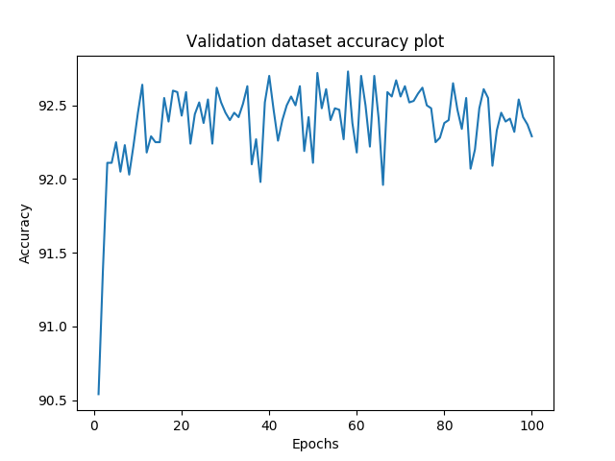 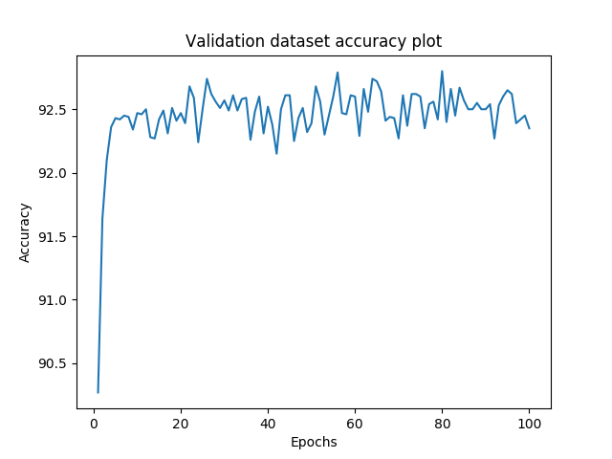 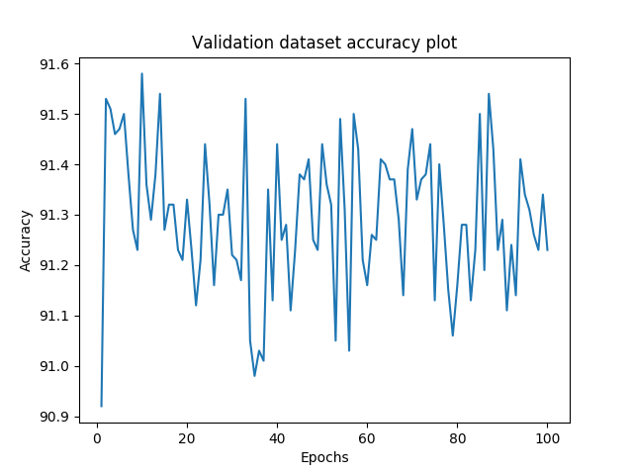 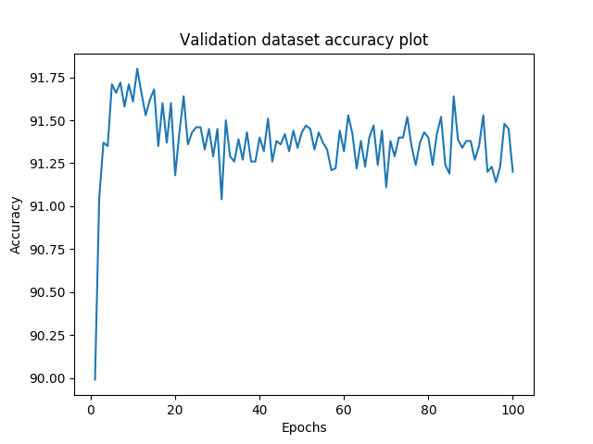

[결과 정리] Training completes in approximately 10 epochs or less. There is no significant difference between the required settings.

